Model overview and manual
 | Scenario
Model name | Central Otago Stand-alone Council

Instructions

Step
1 | 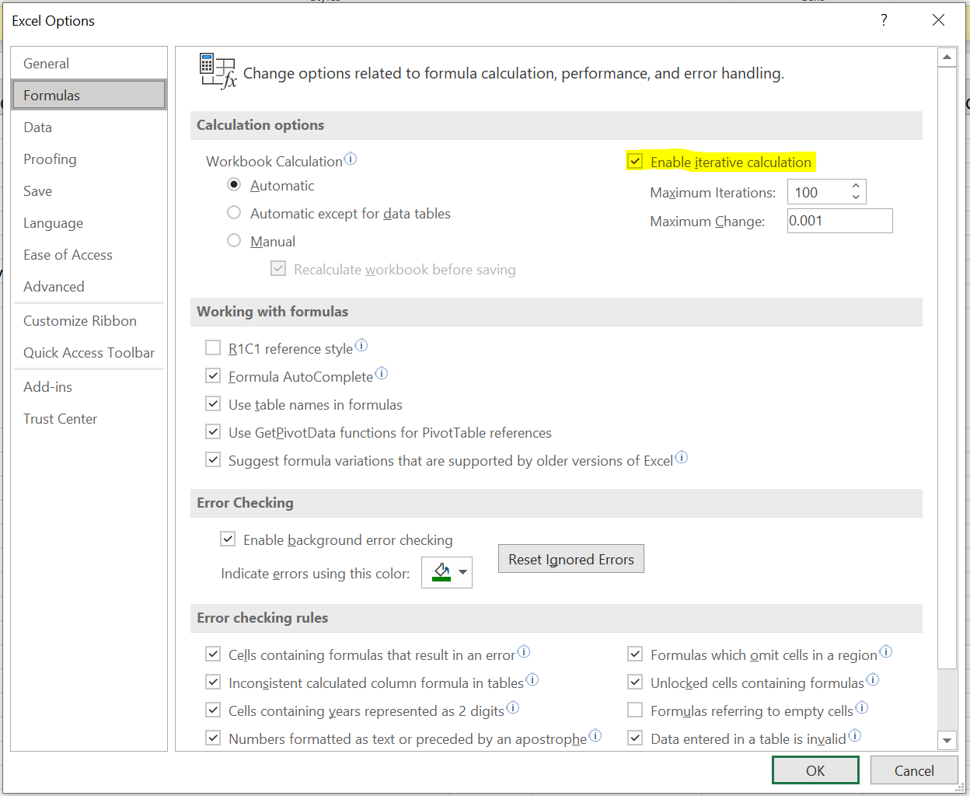 The model needs to have iterative calculations enabled in order to function correctly. To do this, select: - File - Options - Formulas - Enable iterative calculations (see the extract opposite)
2 | Open the 'Average cost per household' sheet first. This sheet shows how revenues in the year are converted into an average cost per household. It follows several steps - these are: 1. multiply the revenue requirement in the year (2020, 2031 or 2051) by the percentage of revenue that relates to household customers. This is assumed to be 70% based on the observed split in Great Britain, but the assumption can be changed as desired by the council. 2. the output from step 1 is then divided by the assumed number of connected household properties. This is calculated based on reported population divided by the average household occupancy rate across New Zealand (2.7 people per household as reported by Stats New Zealand). This assumption, however, can be changed as desired by the council. This provides the average cost per household in projected outturn prices (i.e. including inflation). 3. the average cost per household in projected outturn prices in step 2 is then converted into current dollars based on projected inflation over the period. This then provides the projected average cost per household in current dollars for the final report.
3 | In the 'Price and Financial ratios' sheet, we input the annual prices in nominal terms in row 4 (underlined blue in the extract below) to stay within the Council prudential borrowing limits of debt-to-revenue of 2.5 times in row 6 (underlined green in the extract).
4 | In the 'Assumptions' sheet, the user can change any of the inputs in column C as per the extract below
5 | After changing any of the assumptions in column C, repeat Step 3 and observe the impact on the average cost per household as per Step 2

