Contents + Directions
Table of contents
 | This spreadsheet contains multiple tabs that house various dashboards, tables and information.
 | Tabs:
 |  | Disclaimers on data
 |  |  | Contains information about the data.
 |  | Key stats
 |  |  | Key stats about any timeframe or area selected.
 |  | In detail
 |  |  | Dynamic dashboard that allows you to select information you want to see based on time and location.
 |  | Quarterly by TA
 |  |  | Dynamic table that allows you to compare GMP, gaming machines and venues by quarter and TA.
 |  | Current quarter licensed venues
 |  |  | All venues and corresponding gaming machines as at the last day of the most recent quarter.
 |  | Data
 |  |  | Data that sits behind all the dynamic tables and dashboard.

Directions

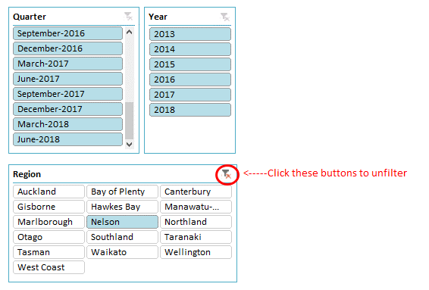
Slicers (control)
● | Slicers (pictured to the right) are buttons that control the information in the dashboard tab.
 | You can filter information by the following methods:
 | ● | Use your mouse and click a single category you want displayed.
 | ● | Multiple categories/groups: Click the first selection in your group, hold shift, then click the last in the overall grouping you want to select. For example, if you want to select all of 2017 in the quarters slicer, you could click March-2017, the while holding the "shift" button click December 2017.

 | ● | Multiple categories - non-sequential: If you want to "add" groups together in the dashboard use the same method above, except instead of holding the "shift" button, hold the "Ctrl" button while making your selection.

 | ● | All: If you want to see all data (national view) ensure all "filter" buttons are not highlighted red. If they are, simply click them to unfilter all data. An example of a filtered slicer is the "region" pictured, and an example of an unfiltered slicer is the "quarter" pictured.

 | ● | If a category is white, it is not selected.
● | For more information on slicers, please click the below Microsoft link.
 |  | Link

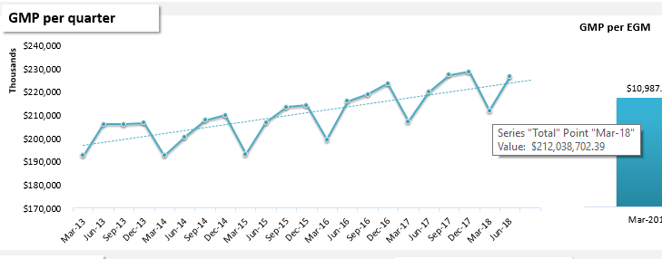
How to see data in graphs
● | In order to see values in graphs, simply move your mouse over a point and information will appear (see right).

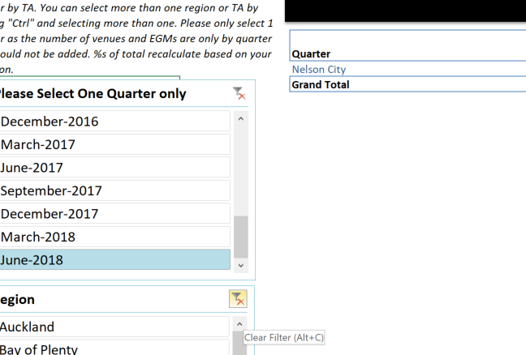
Troubleshoot
● | If data seems to have disappeared, ensure that you have not accidentally selected a variable in one of the other slicers. Information is connected, so if you click on one slicer in one tab, other tables will filter for that same selection.

● | Simply unfilter your selection and data should flow through.

Key stats
Control
Back to table of contents
 |  |  |  |  | Region | National
Select any time period you want as well as region or TA. To see all, simply unfilter all. If you want to select multiple, hold the "Ctrl" button. | Quarterly Class 4 Key Statistics |  |  |  | TA | (All) | December-2018
GMP
GMP per quarter

 | Total
Mar-15 | $193,214,760.65
Jun-15 | $206,971,890.35
Sep-15 | $213,490,881.83
Dec-15 | $214,349,105.84
Mar-16 | $199,493,745.37
Jun-16 | $216,148,419.22
Sep-16 | $218,976,889.80
Dec-16 | $223,617,895.79
Mar-17 | $207,333,812.45
Jun-17 | $219,981,727.55
Sep-17 | $227,293,496.76
Dec-17 | $228,775,828.16
Mar-18 | $212,038,702.39
Jun-18 | $226,827,967.75
Sep-18 | $235,037,993.57
Dec-18 | $236,773,515.07
 |  | Quarterly GMP | Rolling 12 mnth. GMP
 | Prior quarter | $235,037,993.57 | $902,680,491.87
 | Current quarter | $236,773,515.07 | $910,678,178.78
 | Δ | $1,735,521.50 | $7,997,686.91
 | % change | 0.7% | 0.9%

 | Rolling 12 month as at December-2018, GMP for New Zealand has increased by .89% or by $7,997,687 compared to the prior quarter 12 month period. Quarterly GMP has increased by 0.74% or by $1,735,521.

Venues
EGMS
Venues and gaming machines per quarter

 | # of Gaming Machines | # of venues
Mar-15 | 16,614 | 1,277
Jun-15 | 16,579 | 1,266
Sep-15 | 16,440 | 1,255
Dec-15 | 16,393 | 1,238
Mar-16 | 16,274 | 1,224
Jun-16 | 16,250 | 1,221
Sep-16 | 16,221 | 1,214
Dec-16 | 16,148 | 1,206
Mar-17 | 16,031 | 1,197
Jun-17 | 15,858 | 1,180
Sep-17 | 15,717 | 1,163
Dec-17 | 15,632 | 1,156
Mar-18 | 15,490 | 1,146
Jun-18 | 15,420 | 1,140
Sep-18 | 15,342 | 1,130
Dec-18 | 15,257 | 1,117
 | Prior quarter | 1,130 | 15,342
 | Current quarter | 1,117 | 15,257
 | Δ | -13 | -85
 | % change | -1.2% | -0.6%

 | From December-2018, compared to last quarter, New Zealand has decreased the number of gaming machines by 0.55% or by 85. The number of venues has decreased by 1.15% or by 13.

 |  |  |  | The data is provided for all venues and gaming machines licensed as at the last day of each quarter. Note data for venues that were not licensed at this date are excluded. Please see the Disclaimers tab for more details.

In detail
Control
Yearly GMP (year ending)
Quarterly GMP
Venues
EGMS
 | Back to table of contents | Mar-2015 to Dec-2018 |  |  |  |  |  |  |  |  |  | Yearly GMP (Dec-2018) |  |  | Quarterly GMP |  | # venues |  | # EGMs
 |  | Gaming Machines Statistics Dashboard |  |  |  |  |  |  |  |  | National | $910,678,178.78 |  |  | $236,773,515.07 |  | 1,117 |  | 15,257
Select any time period you want as well as region or TA. To see all, simply unfilter all. If you want to select multiple, hold the "Ctrl" button and select what you would like to compare. |  | Region | National

 |  | TA | (All)
 |  |  |  |  |  |  |  |  |  |  | Dec-2017 | $883,384,864.92 | % of nat. | Mar-15 | $193,214,760.65 | % of nat. | 1,277 | % of nat. | 16,614 | % of nat.
 |  | Class 4 Gaming Machine Proceeds (GMP) is expenditure or player loss on Electronic Gaming Machines (EGMs) in the Class 4 Sector. Each year roughly 40% of GMP is returned to the New Zealand community. |  |  |  |  |  |  |  |  | Dec-2018 | $910,678,178.78 | 100.0% | Dec-18 | $236,773,515.07 | 100.0% | 1,117 | 100.0% | 15,257 | 100.0%
 |  |  |  |  |  |  |  |  |  |  | Difference | $27,293,313.86 | 3.1% | Difference | $43,558,754.42 | 22.5% | -160 | -12.5% | -1,357 | -8.2%

GMP per quarter
GMP per year
GMP
GMP per EGM
 | Graph
Mar-2015 | $11,629.64
Dec-2018 | $15,519.01
 |  |  |  |  |  |  |  |  |  |  |  | 33.4%
 | Total
Mar-15 | $193,214,760.65
Jun-15 | $206,971,890.35
Sep-15 | $213,490,881.83
Dec-15 | $214,349,105.84
Mar-16 | $199,493,745.37
Jun-16 | $216,148,419.22
Sep-16 | $218,976,889.80
Dec-16 | $223,617,895.79
Mar-17 | $207,333,812.45
Jun-17 | $219,981,727.55
Sep-17 | $227,293,496.76
Dec-17 | $228,775,828.16
Mar-18 | $212,038,702.39
Jun-18 | $226,827,967.75
Sep-18 | $235,037,993.57
Dec-18 | $236,773,515.07
 | Total
2015 | $828,026,638.67
2016 | $858,236,950.18
2017 | $883,384,864.92
2018 | $910,678,178.78

 |  |  |  |  |  |  |  |  |  |  |  |  |  | Please note that you must select all quarters in a year for the full year to be displayed above.
 |  |  |  |  |  |  |  |  |  |  |  |  |  | If not all quarters are available, the year will not contain complete data.
Venues
Gaming Machines
# of Venues by deprivation rating
Venues and EGMs
 | Mar-2015 | Dec-2018
 | 77 | 83
 | 147 | 136
 | 218 | 194
 | 427 | 338
 | 408 | 366
 | Total
Mar-15 | 1,277
Jun-15 | 1,266
Sep-15 | 1,255
Dec-15 | 1,238
Mar-16 | 1,224
Jun-16 | 1,221
Sep-16 | 1,214
Dec-16 | 1,206
Mar-17 | 1,197
Jun-17 | 1,180
Sep-17 | 1,163
Dec-17 | 1,156
Mar-18 | 1,146
Jun-18 | 1,140
Sep-18 | 1,130
Dec-18 | 1,117
 | Total
Mar-15 | 16,614
Jun-15 | 16,579
Sep-15 | 16,440
Dec-15 | 16,393
Mar-16 | 16,274
Jun-16 | 16,250
Sep-16 | 16,221
Dec-16 | 16,148
Mar-17 | 16,031
Jun-17 | 15,858
Sep-17 | 15,717
Dec-17 | 15,632
Mar-18 | 15,490
Jun-18 | 15,420
Sep-18 | 15,342
Dec-18 | 15,257
 |  |  |  |  |  |  |  |  |  |  |  |  |  | (first & last quarter selected)

Commentary
Overall
Links |  |  | ● According to the Household Economic Survey, New Zealanders spend roughly 11 billion dollars a year on all forms of entertainment, which includes games of chance.*
* | Household data |  | ● From Mar-2015 to Dec-2018 quarters, GMP for New Zealand increased by $43,558,754 or by 22.5%. Trends for the Mar-2019 quarter indicates a decrease by $16,991,265.
 | Household expenditure 2015/16 |  | ● From year end Dec-17 to year end Dec-18, GMP increased by $27,293,314 or by 3.1%.
 | More information on GMP |  | ● From Mar-2015 to Dec-2018 quarters, venues decreased by 160 or by -12.5%. Gaming machine numbers decreased by 1,357 or -8.2%.
 | Link to usage of buttons. |  | ● A way to compare year on year expenditure equally is to remove orders of magnitude by taking GMP as a proportion of EGMs which has increased by 33.4% or $3,889.37. This means players are spending longer hours playing gaming machines, betting more per game or more players are playing pokie machines.
Compare region or TA
Comparison
 |  |  | No comparison selected.
 | Select 1 region or 1 TA to compare. To select national, just unfilter all.

 |  |  |  |  |  |  |  |  |  |  |  | The data is provided for all venues and gaming machines licensed as at the last day of each quarter. Note data for venues that were not licensed at this date are excluded. Please see the Disclaimers tab for more details. |  |  |  |  |  |  | * (Statistics NZ)

By the numbers

Quarterly table
Yearly table
 |  | TA - final | (All) |  |  |  |  |  |  | Territorial Authority | (All)
 |  | Region | (All) |  |  |  |  |  |  | Region | (All)

 |  | Quarter | GMP ($) | Δ GMP ($) | GMP per EGM | # of venues | Δ venues | # of EGMs | Δ EGMs | Year | GMP ($) | Δ GMP ($)
 |  | Mar-15 | $193,214,760.65 |  | $11,629.64 | 1,277 |  | 16,614 |  | 2015 | $828,026,638.67
 |  | Jun-15 | $206,971,890.35 | $13,757,129.70 | $12,483.98 | 1,266 | -11 | 16,579 | -35 | 2016 | $858,236,950.18 | $30,210,311.51
 |  | Sep-15 | $213,490,881.83 | $6,518,991.48 | $12,986.06 | 1,255 | -11 | 16,440 | -139 | 2017 | $883,384,864.92 | $25,147,914.74
 |  | Dec-15 | $214,349,105.84 | $858,224.01 | $13,075.65 | 1,238 | -17 | 16,393 | -47 | 2018 | $910,678,178.78 | $27,293,313.86
 |  | Mar-16 | $199,493,745.37 | -$14,855,360.47 | $12,258.43 | 1,224 | -14 | 16,274 | -119
 |  | Jun-16 | $216,148,419.22 | $16,654,673.85 | $13,301.44 | 1,221 | -3 | 16,250 | -24
 |  | Sep-16 | $218,976,889.80 | $2,828,470.58 | $13,499.59 | 1,214 | -7 | 16,221 | -29
 |  | Dec-16 | $223,617,895.79 | $4,641,005.99 | $13,848.02 | 1,206 | -8 | 16,148 | -73
 |  | Mar-17 | $207,333,812.45 | -$16,284,083.34 | $12,933.30 | 1,197 | -9 | 16,031 | -117
 |  | Jun-17 | $219,981,727.55 | $12,647,915.10 | $13,871.97 | 1,180 | -17 | 15,858 | -173
 |  | Sep-17 | $227,293,496.76 | $7,311,769.21 | $14,461.63 | 1,163 | -17 | 15,717 | -141
 |  | Dec-17 | $228,775,828.16 | $1,482,331.40 | $14,635.10 | 1,156 | -7 | 15,632 | -85
 |  | Mar-18 | $212,038,702.39 | -$16,737,125.77 | $13,688.75 | 1,146 | -10 | 15,490 | -142
 |  | Jun-18 | $226,827,967.75 | $14,789,265.36 | $14,709.98 | 1,140 | -6 | 15,420 | -70
 |  | Sep-18 | $235,037,993.57 | $8,210,025.82 | $15,319.91 | 1,130 | -10 | 15,342 | -78
 |  | Dec-18 | $236,773,515.07 | $1,735,521.50 | $15,519.01 | 1,117 | -13 | 15,257 | -85

Quarterly by TA
Back to table of contents
Quarterly GMP ($), Venues and EGMs
This dashboard lets you compare GMP, venues and EGMs per quarter by TA. You can select more than one region or TA by holding "Ctrl" and selecting more than one. Please only select 1 quarter as the number of venues and EGMs are only by quarter and should not be added. %s of total recalculate based on your selection.
 | Quarter | 2018-12-01

 | District | GMP ($) | % of GMP of total GMP | # of venues | % of total Venues | # of EGMs | % of total EGMs
 | Ashburton District | $1,544,804.74 | 0.65% | 12 | 1.07% | 134 | 0.88%
 | Auckland City | $72,971,702.08 | 30.82% | 240 | 21.49% | 3,394 | 22.25%
 | Buller District | $584,178.11 | 0.25% | 8 | 0.72% | 72 | 0.47%
 | Carterton District | $435,597.96 | 0.18% | 3 | 0.27% | 45 | 0.29%
 | Central Hawke'S Bay District | $588,035.12 | 0.25% | 3 | 0.27% | 36 | 0.24%
 | Central Otago District | $954,812.05 | 0.40% | 11 | 0.98% | 116 | 0.76%
 | Chatham Islands District | $42,570.44 | 0.02% | 1 | 0.09% | 2 | 0.01%
 | Christchurch City | $19,689,982.63 | 8.32% | 83 | 7.43% | 1,346 | 8.82%
 | Clutha District | $546,787.44 | 0.23% | 11 | 0.98% | 71 | 0.47%
 | Dunedin City | $4,562,374.00 | 1.93% | 30 | 2.69% | 408 | 2.67%
 | Far North District | $3,824,008.28 | 1.62% | 20 | 1.79% | 287 | 1.88%
 | Gisborne District | $2,825,776.92 | 1.19% | 12 | 1.07% | 180 | 1.18%
 | Gore District | $845,727.11 | 0.36% | 7 | 0.63% | 84 | 0.55%
 | Grey District | $919,578.96 | 0.39% | 9 | 0.81% | 90 | 0.59%
 | Hamilton City | $6,386,461.75 | 2.70% | 28 | 2.51% | 424 | 2.78%
 | Hastings District | $4,461,995.32 | 1.88% | 17 | 1.52% | 276 | 1.81%
 | Hauraki District | $1,335,661.27 | 0.56% | 9 | 0.81% | 119 | 0.78%
 | Horowhenua District | $2,259,610.58 | 0.95% | 10 | 0.90% | 149 | 0.98%
 | Hurunui District | $360,967.99 | 0.15% | 9 | 0.81% | 57 | 0.37%
 | Invercargill City | $4,109,974.36 | 1.74% | 17 | 1.52% | 245 | 1.61%
 | Kaikoura District | $233,636.67 | 0.10% | 2 | 0.18% | 15 | 0.10%
 | Kaipara District | $719,499.37 | 0.30% | 7 | 0.63% | 60 | 0.39%
 | Kapiti Coast District | $2,323,373.76 | 0.98% | 12 | 1.07% | 191 | 1.25%
 | Kawerau District | $684,256.60 | 0.29% | 3 | 0.27% | 51 | 0.33%
 | Lower Hutt City | $7,367,050.94 | 3.11% | 29 | 2.60% | 437 | 2.86%
 | Mackenzie District | $219,060.26 | 0.09% | 5 | 0.45% | 42 | 0.28%
 | Manawatu District | $804,976.46 | 0.34% | 5 | 0.45% | 78 | 0.51%
 | Marlborough District | $2,705,015.59 | 1.14% | 15 | 1.34% | 206 | 1.35%
 | Masterton District | $1,080,084.80 | 0.46% | 4 | 0.36% | 64 | 0.42%
 | Matamata-Piako District | $1,560,841.79 | 0.66% | 13 | 1.16% | 157 | 1.03%
 | Napier City | $4,982,795.43 | 2.10% | 18 | 1.61% | 290 | 1.90%
 | Nelson City | $2,717,140.84 | 1.15% | 11 | 0.98% | 140 | 0.92%
 | New Plymouth District | $4,384,078.33 | 1.85% | 24 | 2.15% | 326 | 2.14%
 | Opotiki District | $714,673.03 | 0.30% | 4 | 0.36% | 57 | 0.37%
 | Otorohanga District | $269,764.31 | 0.11% | 2 | 0.18% | 23 | 0.15%
 | Palmerston North City | $5,141,517.27 | 2.17% | 22 | 1.97% | 313 | 2.05%
 | Porirua City | $3,185,127.33 | 1.35% | 12 | 1.07% | 165 | 1.08%
 | Queenstown-Lakes District | $907,927.04 | 0.38% | 7 | 0.63% | 73 | 0.48%
 | Rangitikei District | $658,444.69 | 0.28% | 5 | 0.45% | 58 | 0.38%
 | Rotorua District | $6,374,962.92 | 2.69% | 26 | 2.33% | 383 | 2.51%
 | Ruapehu District | $736,059.58 | 0.31% | 7 | 0.63% | 89 | 0.58%
 | Selwyn District | $1,074,430.21 | 0.45% | 13 | 1.16% | 117 | 0.77%
 | South Taranaki District | $1,424,213.80 | 0.60% | 10 | 0.90% | 121 | 0.79%
 | South Waikato District | $1,925,013.88 | 0.81% | 12 | 1.07% | 178 | 1.17%
 | South Wairarapa District | $407,886.53 | 0.17% | 5 | 0.45% | 56 | 0.37%
 | Southland District | $635,913.77 | 0.27% | 15 | 1.34% | 88 | 0.58%
 | Stratford District | $400,901.28 | 0.17% | 2 | 0.18% | 27 | 0.18%
 | Tararua District | $1,010,922.78 | 0.43% | 9 | 0.81% | 115 | 0.75%
 | Tasman District | $2,033,535.48 | 0.86% | 13 | 1.16% | 166 | 1.09%
 | Taupo District | $2,405,755.49 | 1.02% | 11 | 0.98% | 151 | 0.99%
 | Tauranga District | $9,214,926.56 | 3.89% | 35 | 3.13% | 497 | 3.26%
 | Thames-Coromandel District | $2,633,499.18 | 1.11% | 21 | 1.88% | 258 | 1.69%
 | Timaru District | $2,529,467.74 | 1.07% | 14 | 1.25% | 165 | 1.08%
 | Upper Hutt City | $2,560,450.00 | 1.08% | 10 | 0.90% | 148 | 0.97%
 | Waikato District | $2,463,801.53 | 1.04% | 18 | 1.61% | 235 | 1.54%
 | Waimakariri District | $2,044,799.12 | 0.86% | 12 | 1.07% | 163 | 1.07%
 | Waimate District | $224,879.26 | 0.09% | 3 | 0.27% | 19 | 0.12%
 | Waipa District | $2,310,435.97 | 0.98% | 15 | 1.34% | 228 | 1.49%
 | Wairoa District | $671,147.14 | 0.28% | 4 | 0.36% | 58 | 0.38%
 | Waitaki District | $847,729.48 | 0.36% | 12 | 1.07% | 111 | 0.73%
 | Waitomo District | $641,901.71 | 0.27% | 5 | 0.45% | 63 | 0.41%
 | Wanganui District | $2,713,916.75 | 1.15% | 15 | 1.34% | 207 | 1.36%
 | Wellington City | $10,253,185.38 | 4.33% | 42 | 3.76% | 668 | 4.38%
 | Western Bay Of Plenty District | $1,768,877.41 | 0.75% | 11 | 0.98% | 154 | 1.01%
 | Westland District | $460,042.22 | 0.19% | 6 | 0.54% | 58 | 0.38%
 | Whakatane District | $2,696,174.33 | 1.14% | 12 | 1.07% | 179 | 1.17%
 | Whangarei District | $4,398,813.95 | 1.86% | 19 | 1.70% | 274 | 1.80%
 | Grand Total | $236,773,515.07 | 100.00% | 1,117 | 100.00% | 15,257 | 100.00%

